SCRIPT
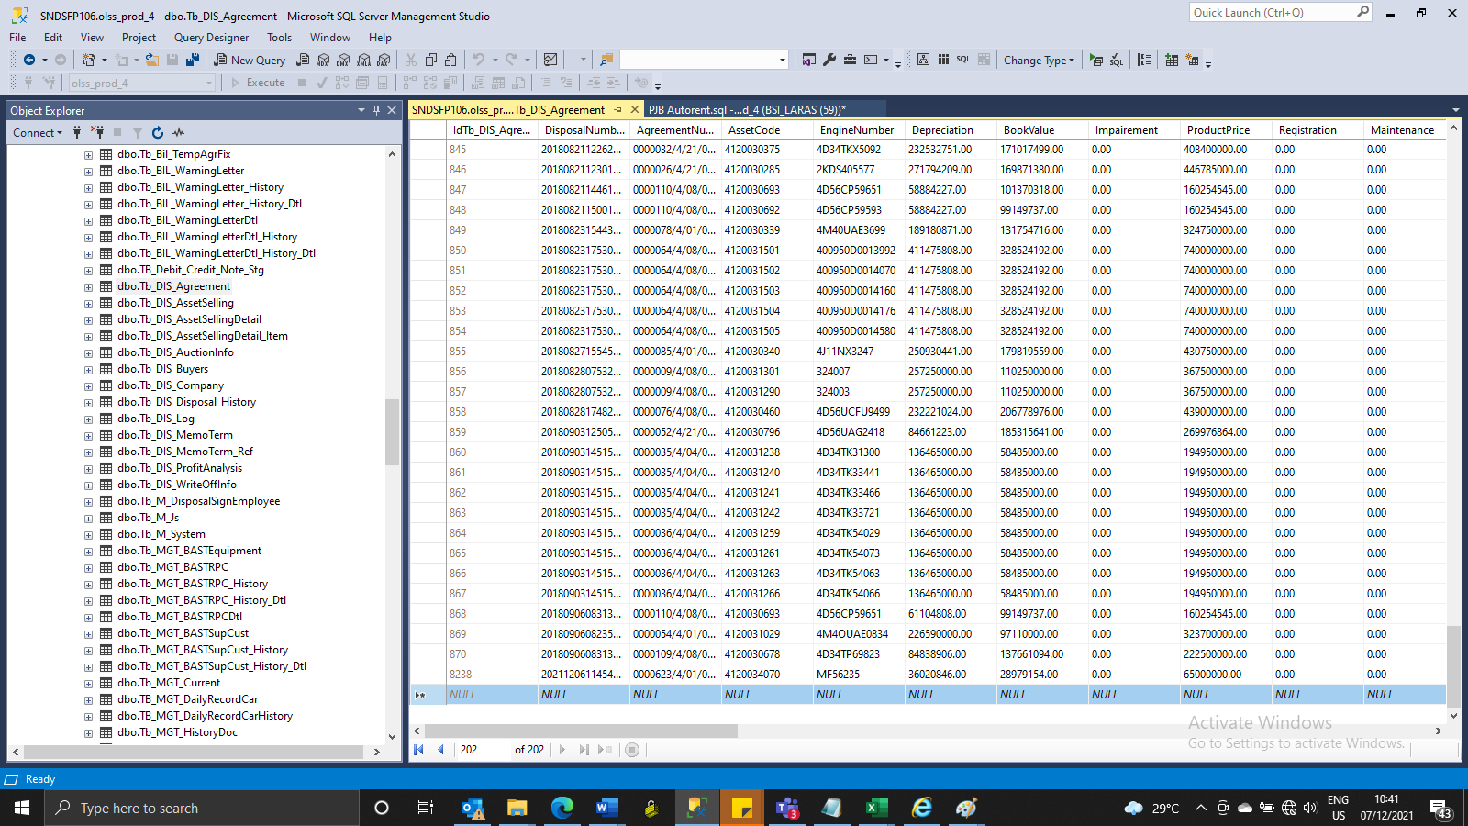
INSERT tb_dis_agreement

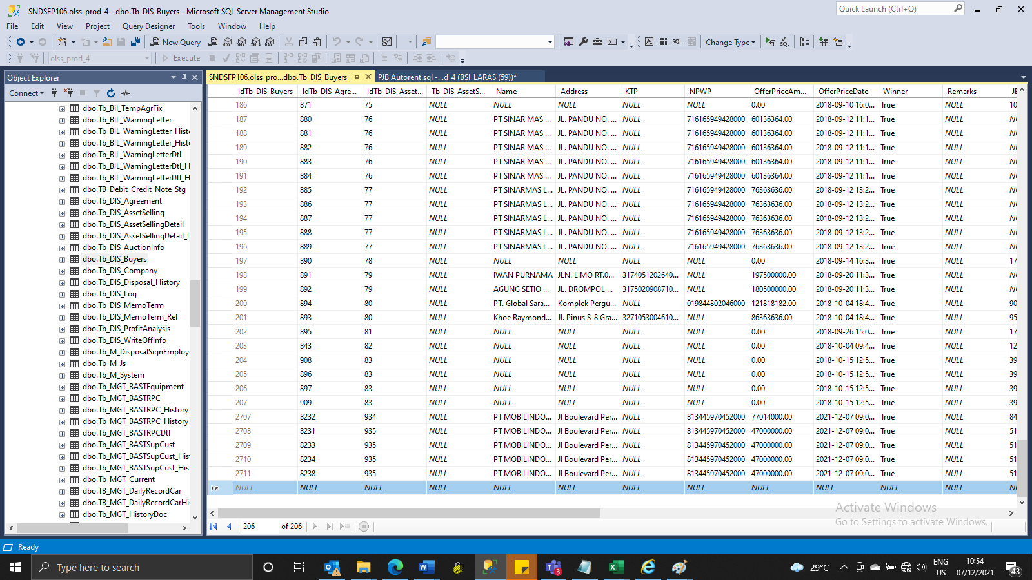
insert TB_DIS_BUYERS

SCREENSHOOT
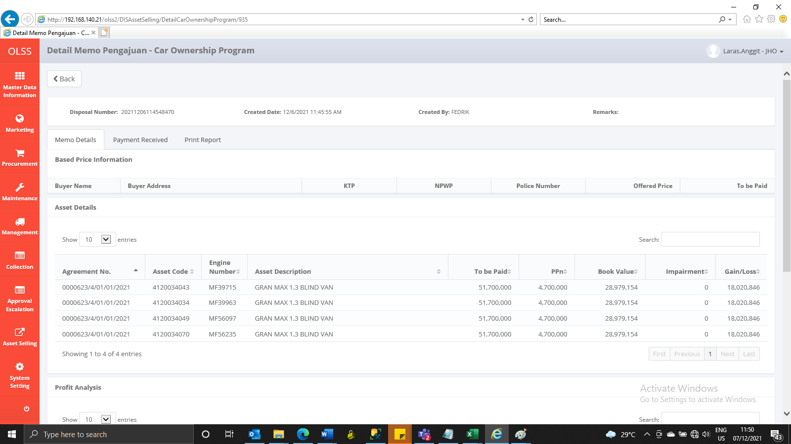
MEMO 00231/COP/12/2021
BEFORE
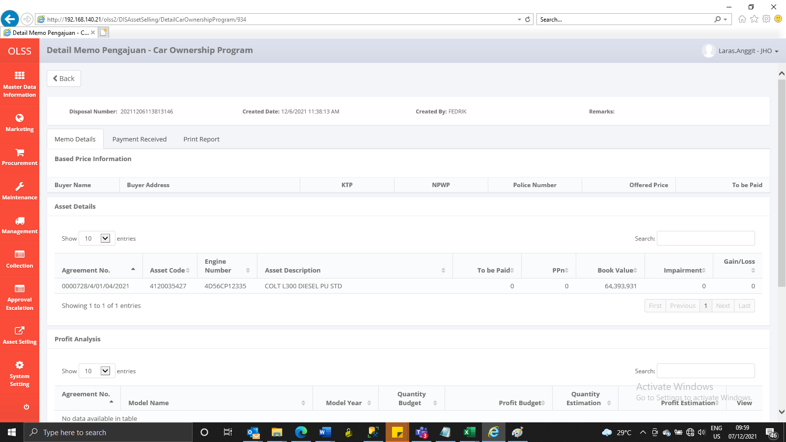

AFTER
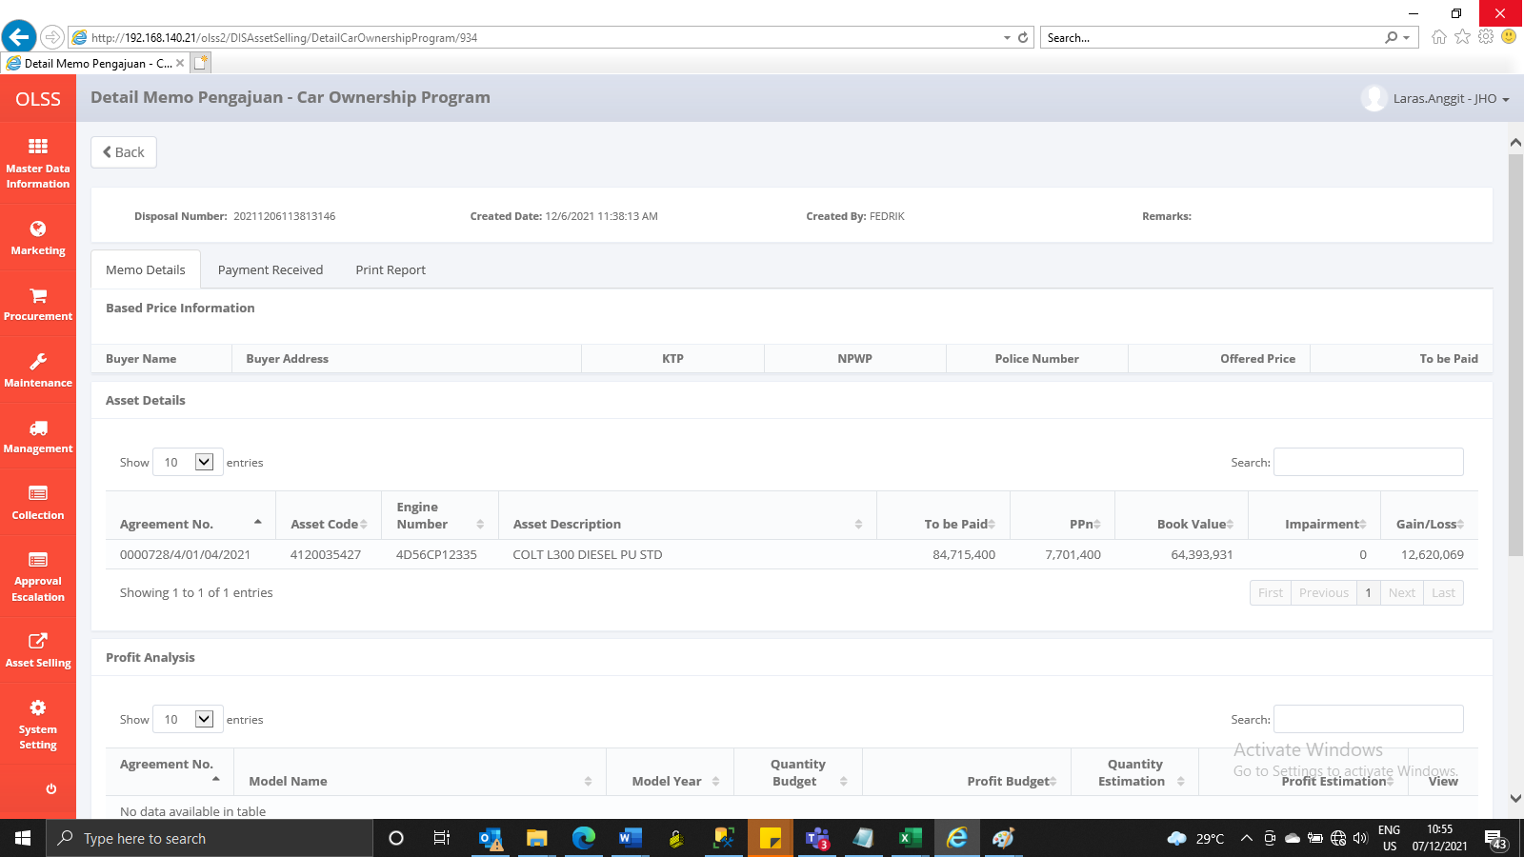

MEMO 00232/COP/12/2021
BEFORE
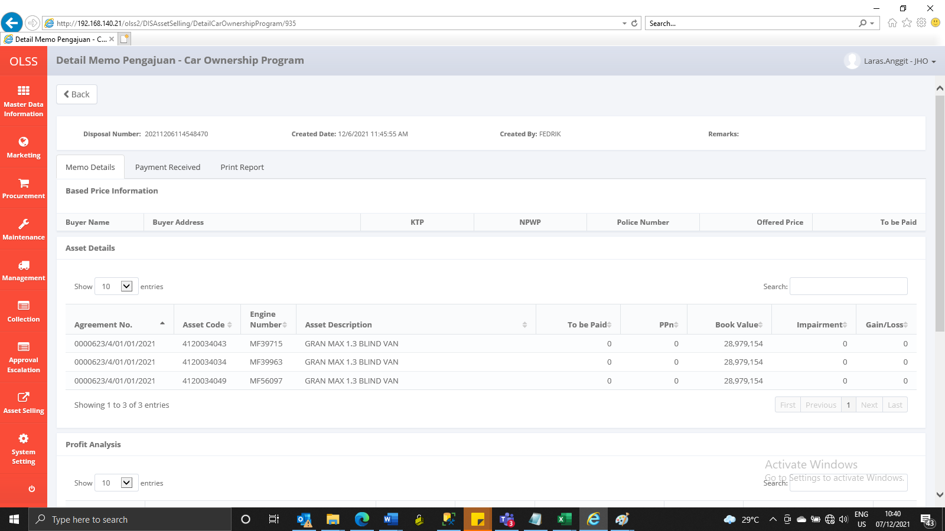

AFTER

